Case #1
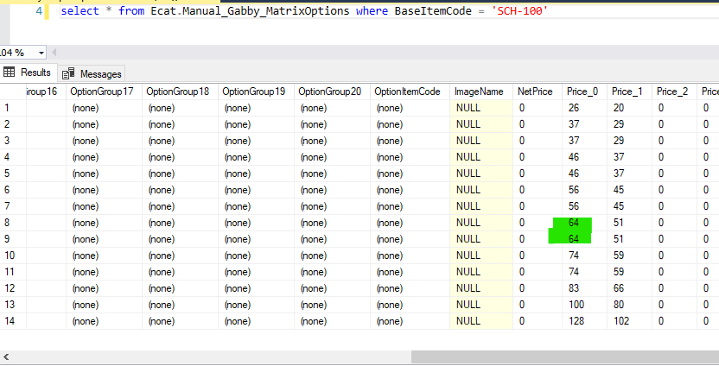
Dondi Colgrove - Test Plan Case 1
Test Case No. | 1
Process | Gabby Matrix Options
Test Consideration | Modify existing record to rename Option 1 Group. This should cause an insert of the correct value into the table and delete of the modified record. Change price on existing records to show updates are successful. Changed comparisions to not be converting varchar to numeric in comparison for speed
Test Condition |  | Data Used | How To Verify | Actual Results
Tasks
1 | Modify records in existing Manual_Gabby_MatrixOptions table and run process to validate insert, delete and updates were successful |  |  | As Expected, See Below
Configuration/Data Setup for Testing Scenario
1
2

Verification

Test Cast Screens Shots Before and After

 | Before Process - G_FAB02V was changed to G_FAB02V-T |  |  | Before Process - Price_0 values were changed from 64 to 164
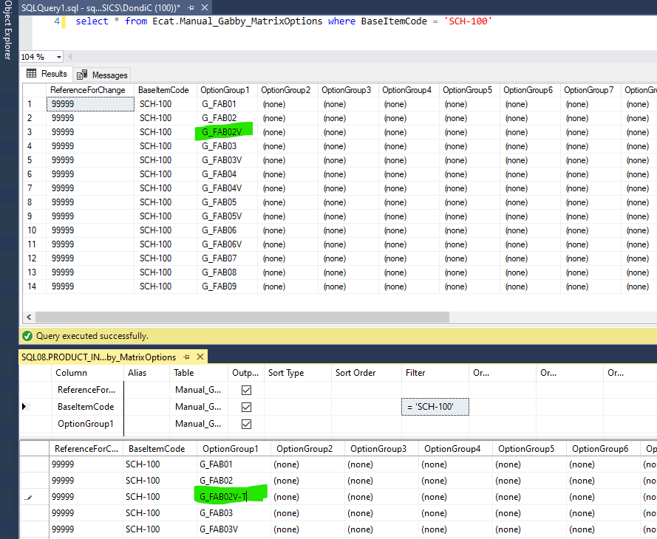
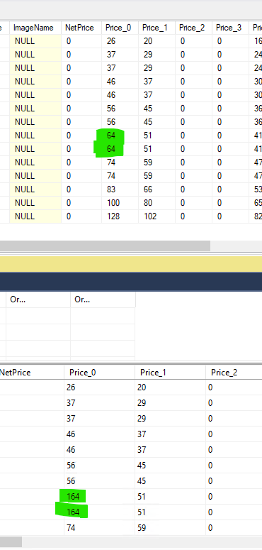

 | Process Executed - 1 Insert, 1 Delete and 2 Updates |  |  | Data after process - G_FAB02V-T does not exist (deleted) and G_FAB02V does exist again (inserted)
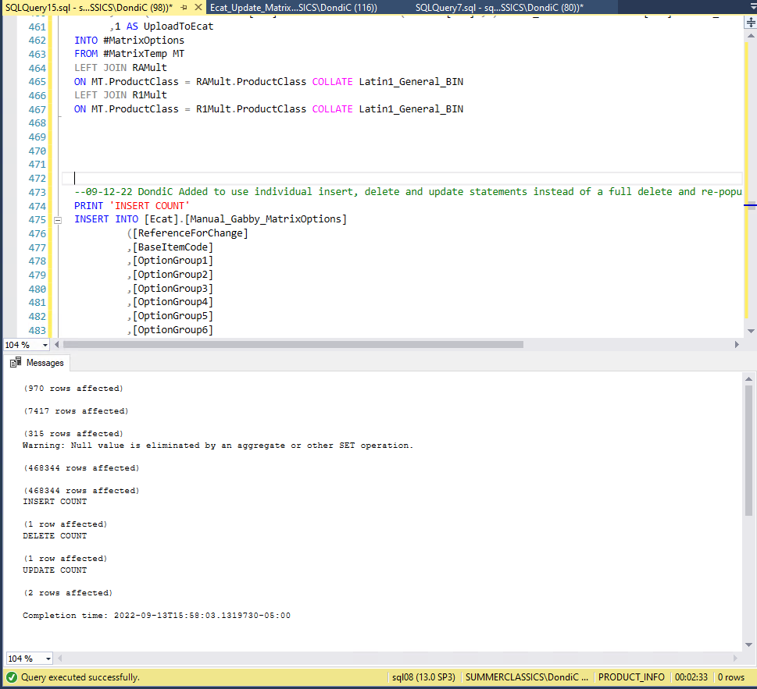
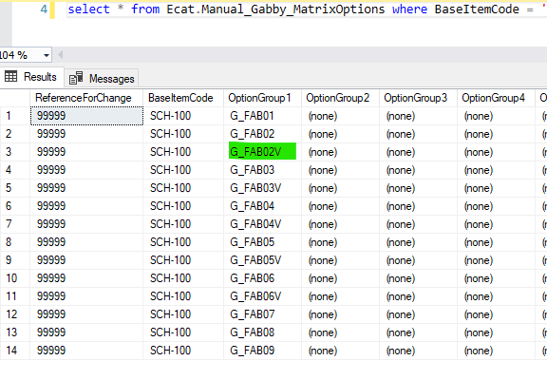

 |  |  |  | Prices were updated to 64

Case #2
Dondi Colgrove - Test Plan Case 2
Test Case No. | 2
Process | Contract Matrix Options
Test Consideration | Modify existing record to rename Option 1 Group. This should cause an insert of the correct value into the table and delete of the modified record. Change price on existing records to show updates are successful. Changed comparisions to not be converting varchar to numeric in comparison for speed
Test Condition |  | Data Used | How To Verify | Actual Results
Tasks
1 | Modify records in existing Manual_Contract_MatrixOptions table and run process to validate insert, delete and updates were successful |  |  | As Expected, See Below
Configuration/Data Setup for Testing Scenario
1
2

Verification

Test Cast Screens Shots Before and After

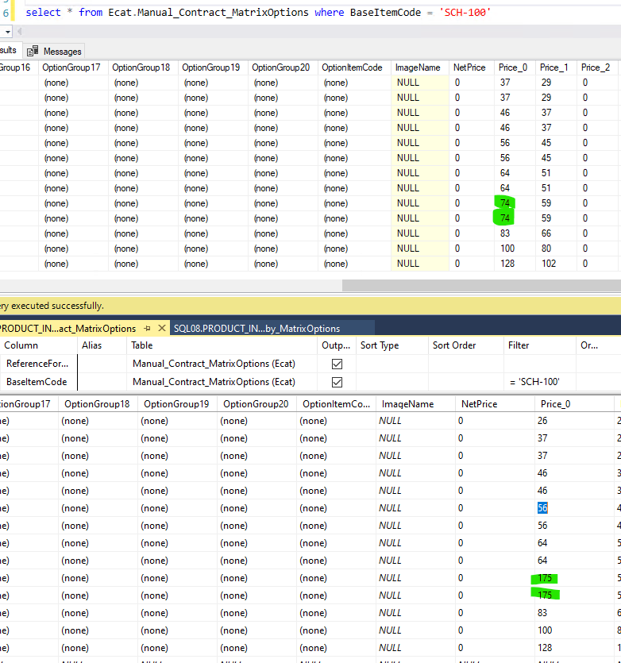
 | Before Process - G_FAB02V was changed to G_FAB02V2 |  |  | Before Process - Price_0 values were changed from 74 to 175
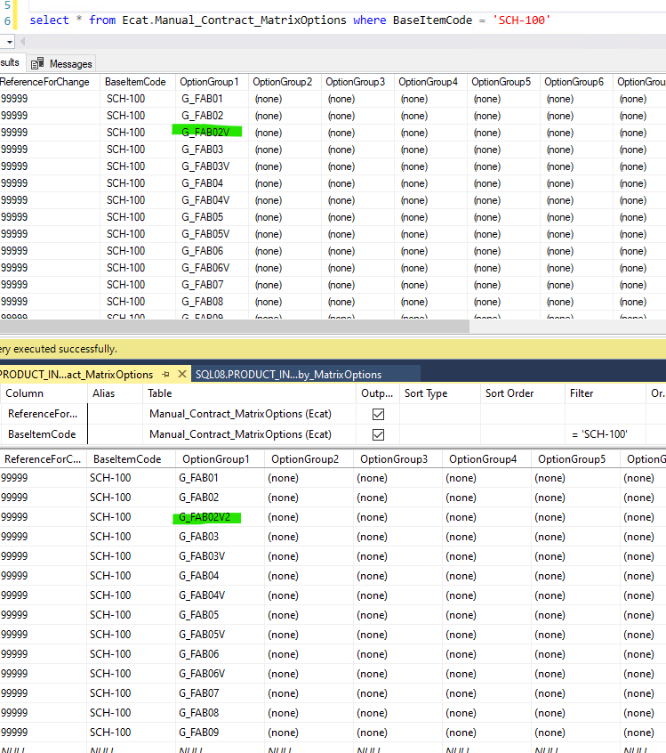

 | Process Executed - 1 Insert, 1 Delete and 2 Updates |  |  | Data after process - G_FAB02V2 does not exist (deleted) and G_FAB02V does exist again (inserted)

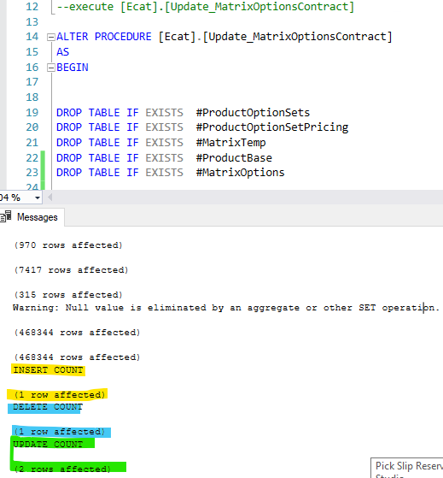
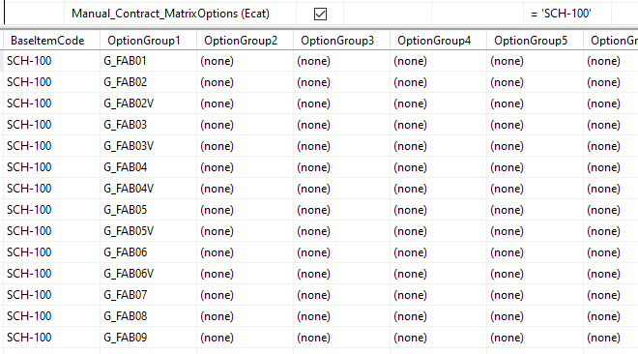

 |  |  |  | Prices were updated to 74

Case #3
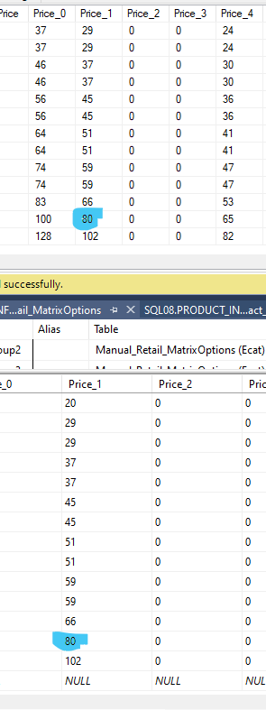
Dondi Colgrove - Test Plan Case 3
Test Case No. | 3
Process | Retail Matrix Options
Test Consideration | Modify existing record to rename Option 1 Group. This should cause an insert of the correct value into the table and delete of the modified record. Change price on existing records to show updates are successful. Changed comparisions to not be converting varchar to numeric in comparison for speed
Test Condition |  | Data Used | How To Verify | Actual Results
Tasks
1 | Modify records in existing Manual_Retail_MatrixOptions table and run process to validate insert, delete and updates were successful |  |  | As Expected, See Below
Configuration/Data Setup for Testing Scenario
1
2
3

Verification

Test Cast Screens Shots Before and After

 | Before Process - G_FAB03V was changed to G_FAB03V-TEST |  |  | Before Process - Price_1 values were changed from 80 to 190
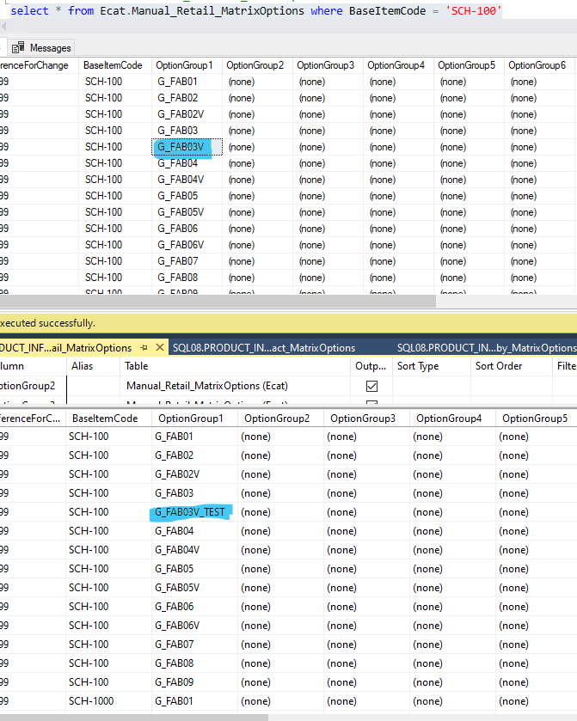

 | Process Executed - 1 Insert, 1 Delete and 1 Updates |  |  | Data after process - G_FAB03V_TEST does not exist (deleted) and G_FAB03V does exist again (inserted)
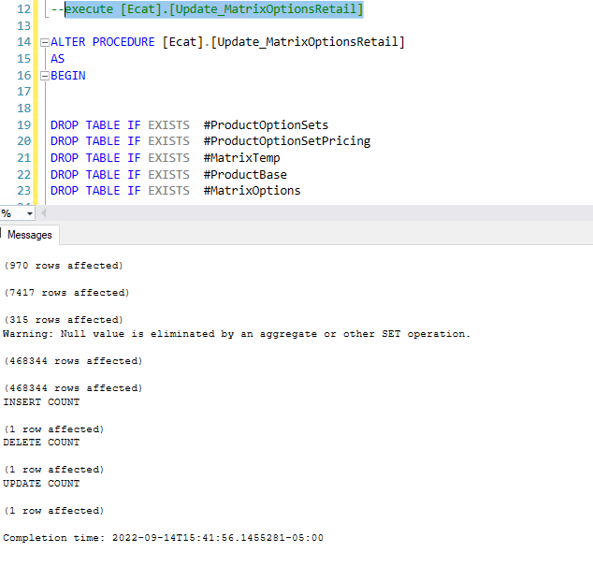
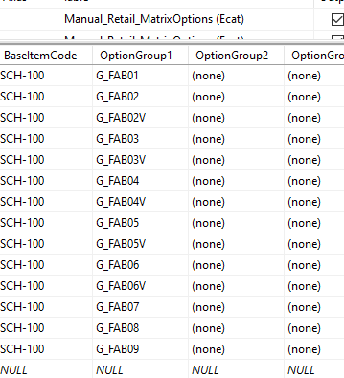

 |  |  |  | Prices were updated to 64

Case #4
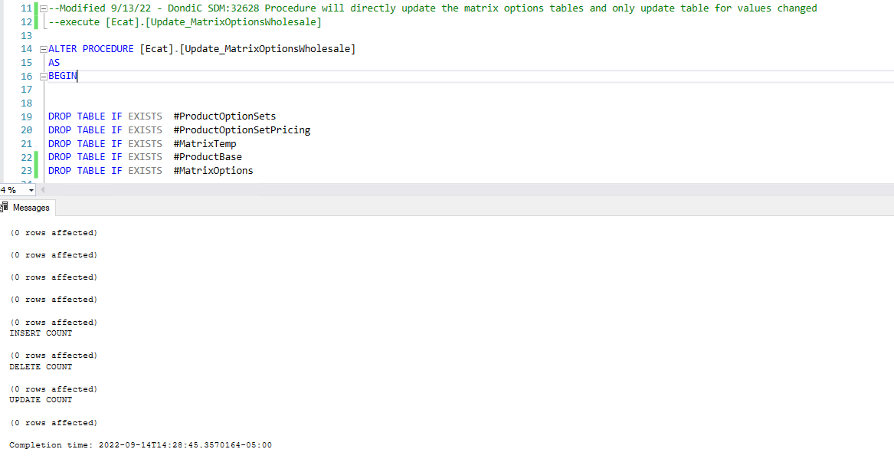
Dondi Colgrove - Test Plan Case 3
Test Case No. | 4
Process | Wholesale Matrix Options
Test Consideration | 0
Test Condition |  | Data Used | How To Verify | Actual Results
Tasks
1 | No Records in Wholesale, but procedure runs |  |  | As expected
Configuration/Data Setup for Testing Scenario
1
2
3

Verification

Test Cast Screens Shots Before and After

